Sheet1
WSDL | Web Services Descrption Language | Provides rules for communcation of data between different systems
 |  | Provides method signature (Input types, O/P types of all methods)
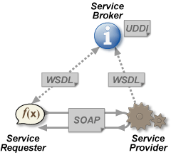

UDDI | Universal Descrption, Discovery and Integration | Directory which defines which software system need to be contacted for specific data request
 |  | Service requester goes to UDDI to get information of service povider

SOAP | Simple obeject access protocol | Actual request is sent to Service provider as SOAP using WSDL rules
 |  | SOAP is dataformat for webservices (XML format with additional tags) sent over HTTP

XML
XSD

